Metrics and Plots
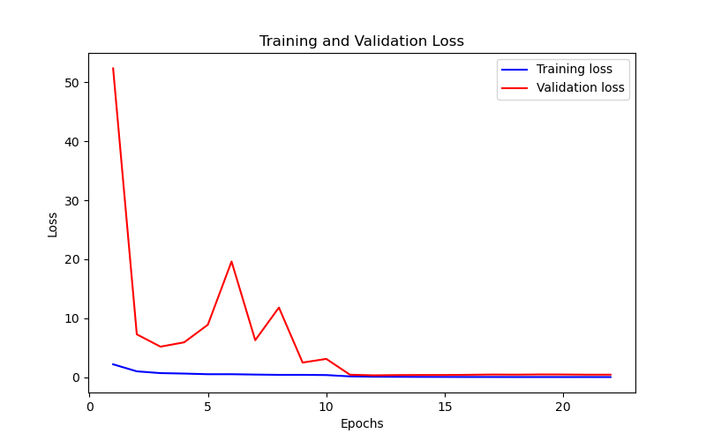
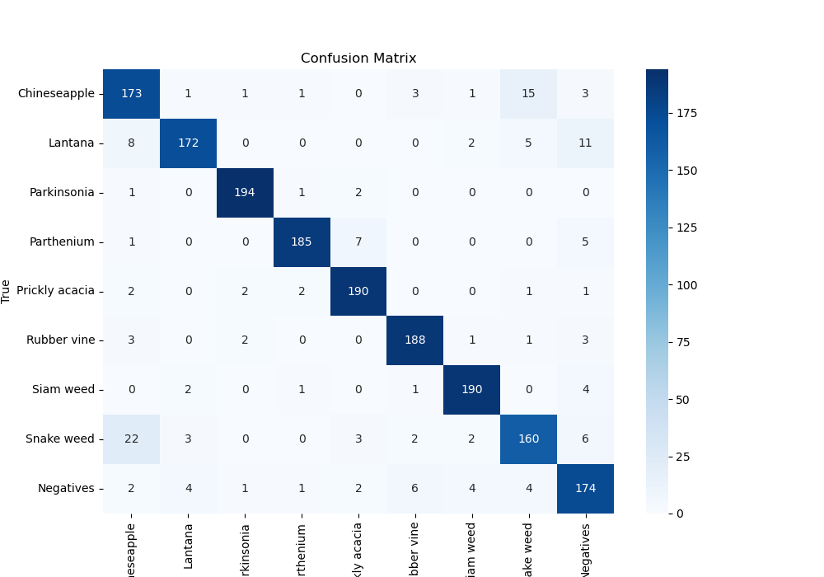
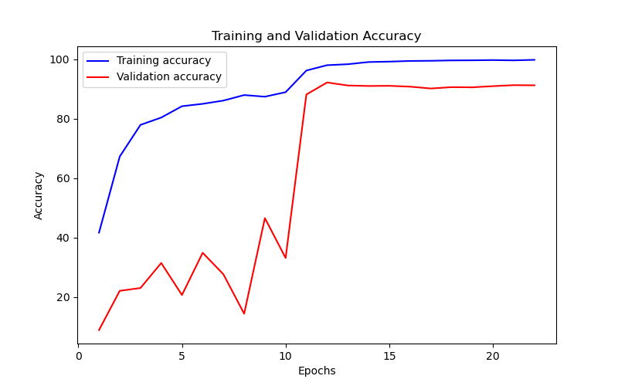
Epoch | Train Accuracy | Train Loss | Validation Accuracy | Validation Loss
1 | 41.69 | 2.172 | 8.9225589226 | 52.376
2 | 67.29 | 0.978 | 22.109988777 | 7.252
3 | 77.94 | 0.677 | 23.063973064 | 5.163
4 | 80.4 | 0.6 | 31.481481481 | 5.901
5 | 84.21 | 0.49 | 20.707070707 | 8.886
6 | 85.02 | 0.489 | 34.904601571 | 19.613
7 | 86.11 | 0.431 | 27.665544332 | 6.259
8 | 87.97 | 0.383 | 14.421997755 | 11.8
9 | 87.42 | 0.384 | 46.57687991 | 2.466
10 | 88.94 | 0.346 | 33.164983165 | 3.087
11 | 96.22 | 0.121 | 88.159371493 | 0.405
12 | 98.02 | 0.067 | 92.199775533 | 0.302
13 | 98.35 | 0.052 | 91.189674523 | 0.344
14 | 99.08 | 0.037 | 91.021324355 | 0.359
15 | 99.22 | 0.03 | 91.077441077 | 0.36
16 | 99.44 | 0.02 | 90.796857464 | 0.391
17 | 99.5 | 0.018 | 90.179573513 | 0.435
18 | 99.63 | 0.013 | 90.628507295 | 0.417
19 | 99.66 | 0.013 | 90.572390572 | 0.447
20 | 99.74 | 0.01 | 90.965207632 | 0.441
21 | 99.64 | 0.013 | 91.301907969 | 0.412
22 | 99.82 | 0.008 | 91.245791246 | 0.41

